Huddle Pointers
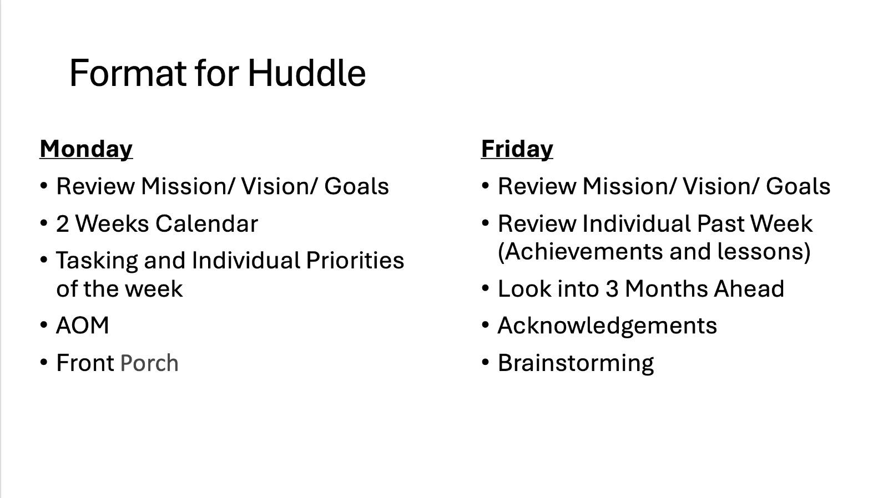
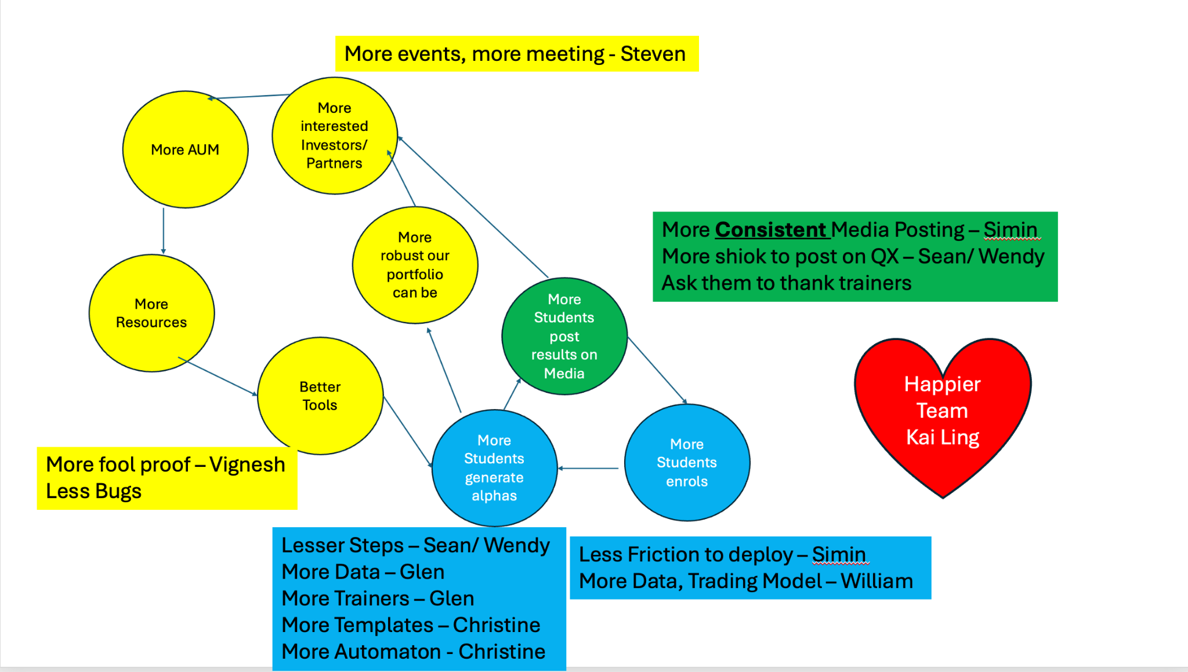
Status | Name | Assignee | Due Date
FALSE | Seeking Alpha, Serving Needs
FALSE | Events - 2 weeks
FALSE | Reporting of Numbers
FALSE | SkillsFuture Workforce Development Grant | Alvan | 2026-05-08

Status | Name | Assignee | Due Date | Remarks
FALSE | Investors Relations - Plan Events till 1st Half of 2026 | Steven
FALSE | Dashboard For Content Prediction Model | Simin | Ongoing
FALSE | Quant X T-Shirt Design | Simin | 2026-05-08
FALSE | Order Stickers for Office Door | Simin | 2026-05-07
FALSE | Replace all IG & Tiktok Thumbnail + Header | Simin
FALSE | Automated Weekly News Carousel | Simin
FALSE | May - June Content Schedule (including Tech Videos) | Simin
FALSE | Alpha Technology Website Rebranded Website Copy / Figma Sample | Simin | 2026-05-08
FALSE | Quant X Website + Newsletter Webpage Rebrand (Add Testimony/Review from FB) | Simin | 2026-05-22

Status | Name | Assignee | Due Date | Remarks
Education
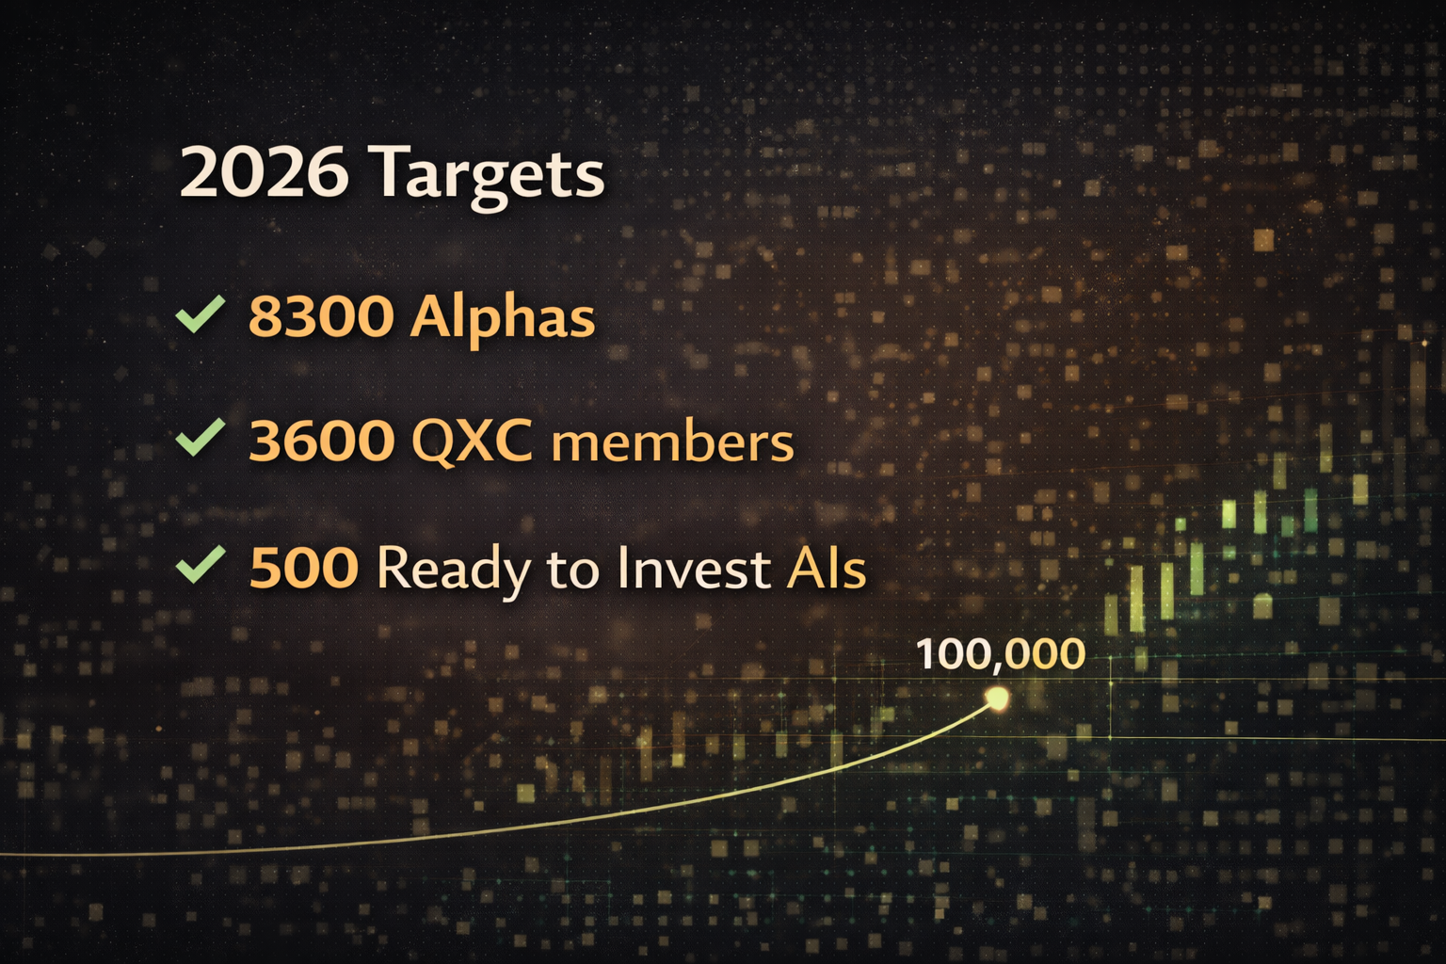
FALSE | QXC - Need help from Trainers | sean | 2026-05-07
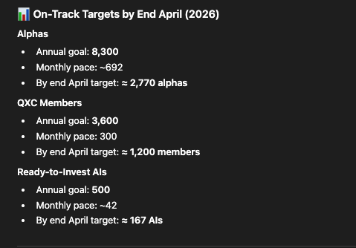
FALSE | QXB | Sean | 2026-05-08
FALSE | Prep for QX Physical - Gifts? T Shirt? | Sean | 2026-05-08
Investing
FALSE | Kyros | Alvan | 2026-05-30
FALSE | Weekly Research Cycle - Unusual Whales| AQ Options | Regime Study | AQS V3 + SL/TP | William | 2026-05-08
FALSE | Prepare for QXC session (7th May) as trainer | Kenzo | 2026-05-07
FALSE | Final Riskless option deployment with option dashboard | Glen | 2026-05-08
FALSE | Deployment AQS using reddis method with Glen | Kenzo | 2026-05-08
FALSE | Tweaking dashboard for options for alpha X researchers and ourselves | Christine | 2026-05-08

Status | Name | Assignee | Due Date | Notes
FALSE | Start Data Storage and Retrieval project | Vig | 2026-02-21 | Use Unusual Whales Data PRD & Milestones: https://docs.google.com/document/d/1WVcqcy96T-Fb5LePmFB2gyHuKq5R5tLzXlhC3Y_KMCQ/edit?usp=sharing
FALSE | Make AQS into a proper software product (liaise with William) - Alpha Studio | Vig | 2026-12-01 | Postpone to end of this year
FALSE | Implement Risk Management features to AQC Dashboard | Vig | 2026-05-15 | Risk exposure by assets, industries,
FALSE | Create External Producers facing view in dashboard | Vig | 2026-05-15
FALSE | Fix pnl of combo options strategies | Vig | 2026-05-01 | Ongoing
FALSE | Create Positions and Orders Tab in Strategy Overview pg | Vig | 2026-05-10
FALSE | Centralized deployment and running of strategy codes in cloud | Vig | 2026-05-15
FALSE | Enforce Strategy ID gating for sdk trading | Vig | 2026-05-22
FALSE | Claims Portal bulk register items (Alvan's request) | Vig | 2026-05-08
FALSE | Fixing the options metrics in AQC dashboard | Vig | 2026-04-30 | Ongoing
FALSE | Enhance refactor pipeline | Vig | 2026-04-24 | I think should postpone as we already have so many refactored strats from Kenzo's system
TRUE | Implement Glen's gatekeeping system to showcase filtered strategy cards | Vig | 2026-04-26

Status | Name | Assignee | Due Date | Remarks
TRUE | QXB: Update AQ100 Pricing and test | Wendy | 2026-05-05
FALSE | QXC Prize: Vera - Liaise with her | Wendy | 2026-05-08 | She received but wrong specs, pending her liaise with vendor
FALSE | AQ100: LARA for April Mentees | Wendy | 2026-05-08 | All informed except MY KL not yet ready for collection
FALSE | Ops App: Mass Whatsapp Platform | Wendy | 2026-05-08 | updates in the google doc QXC WA APP
TRUE | AQ100: Update GHL Automation | Patrick | 2026-05-05
FALSE | Ops App: Asana board | Wendy | 2026-05-11 | Research in progress
FALSE | HR App: Leave app, link to google calendar | Wendy | 2026-05-18 | Not started
FALSE | Ops App: Alpha GPT | Wendy | 2026-05-25 | Research in progress
FALSE | Ops: AI Agent Research | Patrick | 2026-05-08 | Consolidate Database
FALSE | Google Review: Firm up Script | Patrick | 2026-05-05
FALSE | Google Review: Page setup | Wendy | 2026-05-08
FALSE | Google Review: Find out how to send vouchers for SG & MY | Wendy | 2026-05-08
FALSE | Vimeo upload to Google Drive (to update status) | Patrick | 2026-06-01 | Videos from Vimeo

Status | Name | Assignee | Due Date
FALSE | QXB & AQ100 April P&L | Kai Ling
FALSE | Company Year end closing & reporting | Kai Ling
FALSE
FALSE | One Alpha Tri-annual review | Kai Ling | 2026-05-22
FALSE
FALSE
FALSE
FALSE

Status | Name | Assignee | Due Date
TRUE | Orphanage Completion Cert | Simin
TRUE | Orphanage Good Character Award | Simin

